Sheet1
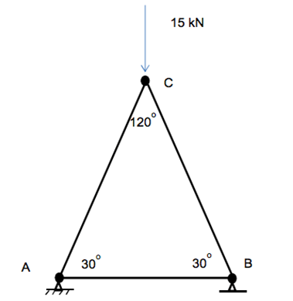
Inputs:
P= | 15000 | N
Ө= | 30 | ⁰
L= | 10 | m

Reaction Forces:
Ax= | 0 | N
Ay= | 7500 | N
By= | 7500 | N

Member Forces: |  |  | Tension/Compression
AB= | 12990.381057 | N
AC= | -15000 | N
BC= | -15000 | N

